COACH

 |  |  |  |  |  | 2535
No | CATEGORY | PIC | STYLE# | COLOR | RRP | Q`ty
1 | BAG | 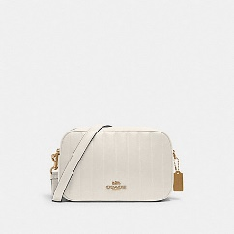 | C1569 | IMCHK | $428.00 | 44
2 | BAG | 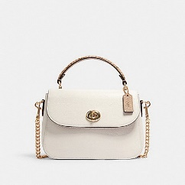 | C1560 | IMCAH | $398.00 | 200
3 | BAG | 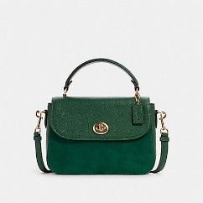 | C1559 | IMKEL | $398.00 | 55
4 | BAG | 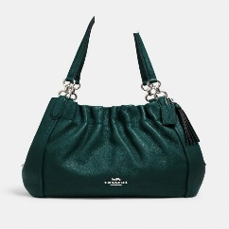 | C1454 | SVRZG | $450.00 | 60
5 | BAG | 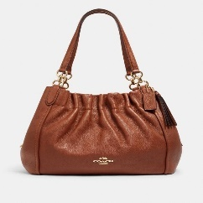 | C1454 | IMR1W | $450.00 | 17
6 | BAG | 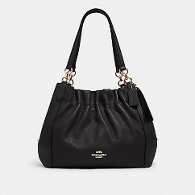 | C1454 | IMBLK | $450.00 | 61
7 | BAG | 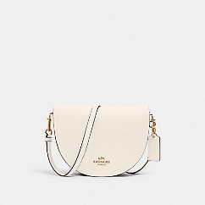 | C1432 | IMCHK | $328.00 | 54
8 | BAG | 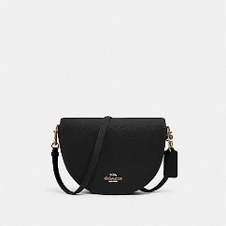 | C1432 | IMBLK | $328.00 | 60
9 | BAG | 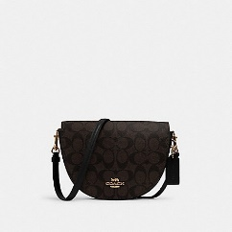 | C1430 | IMAA8 | $328.00 | 60
10 | BAG | 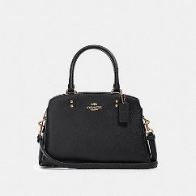 | 91146 | IMBLK | $378.00 | 100
11 | BAG | 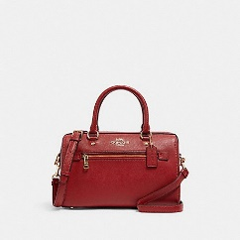 | 79946 | IMF8Q | $328.00 | 32
12 | BAG | 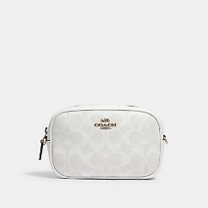 | 79209 | IMRFF | $298.00 | 103
13 | BAG | 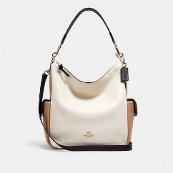 | 6154 | IMCAH | $450.00 | 34
14 | BAG | 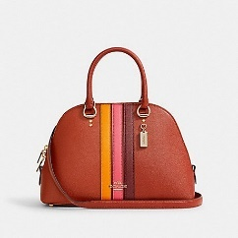 | 2839 | IMR6B | $378.00 | 42
15 | BAG | 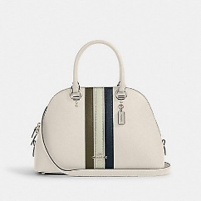 | 2839 | SVQZZ | $378.00 | 50
16 | BAG | 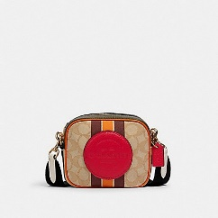 | 2635 | IMR1U | $228.00 | 50
17 | BAG | 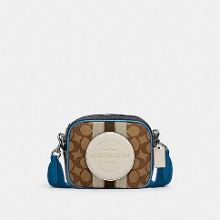 | 2635 | SVR1V | $228.00 | 47
18 | BAG | 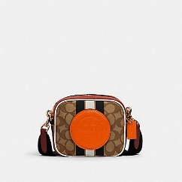 | 2635 | IMQZV | $228.00 | 6
19 | BAG | 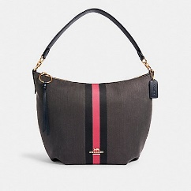 | 2299 | IMR29 | $398.00 | 5
20 | BAG | 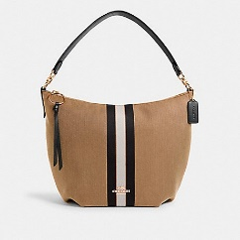 | 2299 | IMQ21 | $398.00 | 8
21 | OTHER WRISTLET | 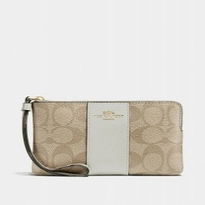 | F58035 | IMDQC | $78.00 | 50
22 | OTHER WRISTLET | 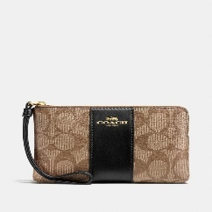 | F58035 | IMCBI | $78.00 | 50
23 | OTHER WRISTLET | 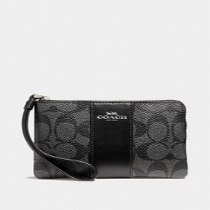 | F58035 | SVDK6 | $78.00 | 50
24 | OTHER WRISTLET | 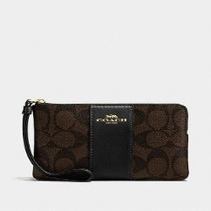 | F58035 | IMAA8 | $78.00 | 50
25 | MENS BAG | 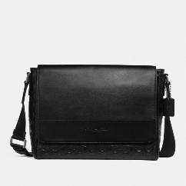 | 4006 | QB/BK | $428.00 | 18
26 | MENS BAG | 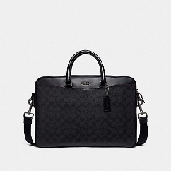 | F72984 | JIO79 | $550.00 | 53
27 | MENS BAG | 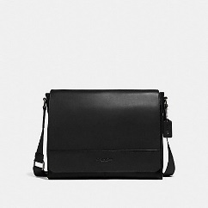 | F68017 | QB/BK | $450.00 | 5
28 | MENS BAG | 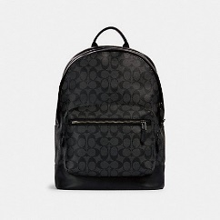 | 2736 | QBAF4 | $550.00 | 50
29 | MENS BELT | 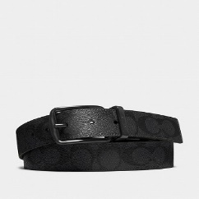 | F64839 | BK/BK | $175.00 | 60
30 | MENS BELT | 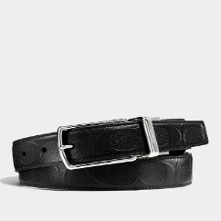 | F55158 | BLK | $150.00 | 215
31 | MENS BELT | 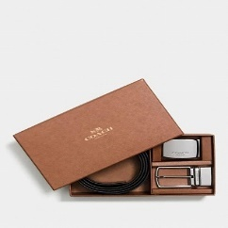 | F65185 | AQ0 | $198.00 | 297
32 | MENS BELT | 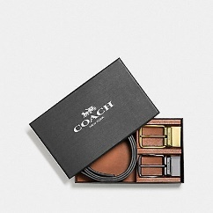 | F55434 | AQ0 | $228.00 | 290
33 | MENS BELT | 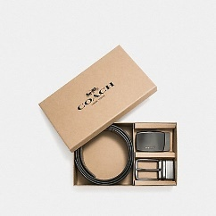 | F22540 | QBTN2 | $228.00 | 259

